Input&Summary
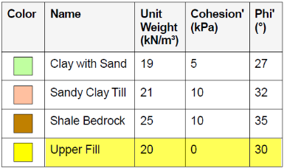
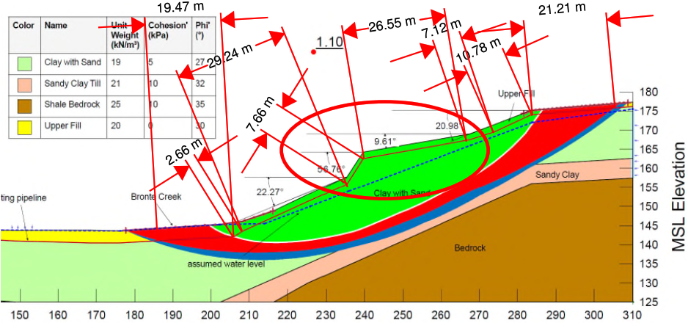
Pipe Properties |  | Soil Properties
Pipe OD (in): | 12.50 | Soil Friction Angle (φ degrees): | 27.0
Pipe wt (in): | 0.375 | Soil Cohesion (c, psf): | 104.5
Pipe SMYS (psi): | X-52 | Soil Effective Unit Weight (γ', psf): | 135.0
Pipe DOC (ft): | 6.56 | PGD Path (perpendicular/parallel to pipe): | Parallel
Length of Pipe in PGD (ft): | 403.4
Pipe Coating | Rough Steel | Conversions
Internal Pressure (psi): | 573 | Cohesion: kpa | psf
 |  | 5 | 104.45
 |  | Unit weight: kn/m2 | psf
Summary Output |  | 19 | 122.03917143
Longitudinal Force (lb/ft) | 1,307.6
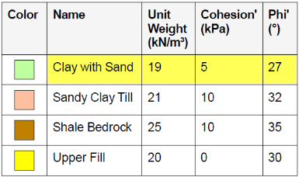
Axial Stress (psi) | 17,899.3 | Upper Fill
Remaining Allowable Stress (psi) | 23,307.5 | Soil Friction Angle (φ degrees): | 30
Allowable Pipe Length in PGD (ft): | 525.2 | Soil Cohesion (c, psf): | 0
Exceeds Allowable: | Does Not Exceed | Soil Effective Unit Weight (γ', psf):
 |  | Allowable length (ft)
Pipeline Length: FOS 1.1-1.2 | Red
124.68 | m | Clay with Sand
122.94686719 | m (measurement correction) | Soil Friction Angle (φ degrees): | 27
403.36898685 | ft | Soil Cohesion (c, psf): | 104.45
 |  | Soil Effective Unit Weight (γ', psf):
Pipeline Length: FOS 1.1-1.3 | Red + Blue | Allowable length (ft)
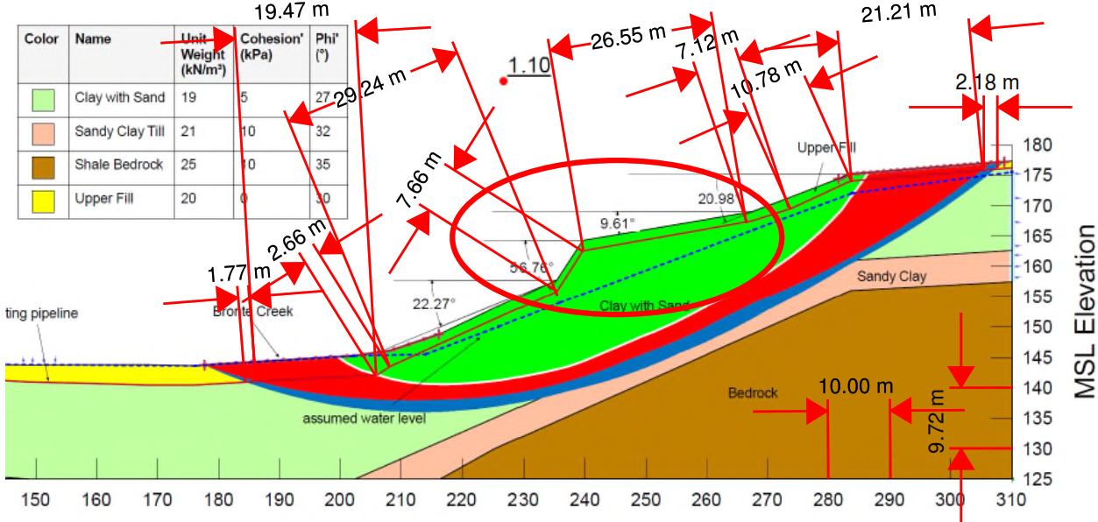
128.63 | m
126.84195963 | m (measurement correction) |  | 21
416.14816152 | ft |  | 134.8854

Calcs
Axial Forces
 | Pipe outside diameter | OD | 12.5 | inches |  | Coating dependent factor
 | Pipe Coating Dependent Factor (f) | Rough Steel | 0.8 |  |  | Concrete | 1
 | Depth of cover | DOC | 6.56 | ft |  | Coal Tar | 0.9
 | Depth to pipe centerline | H | 7.08 |  |  | Rough Steel | 0.8
 | Soil cohesion | c | 104.5 | psf |  | Smooth steel | 0.7
 | Internal friction angle for soil | φ | 27.0 | degrees |  | Fusion Bonded Epoxy | 0.6
 | Effective unit weight of soil | γ | 135.0 | lb/ft3 |  | Polyethylene | 0.6
 | Coefficient of pressure at rest | Ko | 0.546
 | Adhesion factor | α | 1.02
 | Interface angle for pipe-soil | δ | 21.6 | degrees
 | Tan of interface angle | tanδ | 0.396

 | Axial soil force | Tu | 1307.6 | lbs/ft
 |  |  | 1.31 | kips/ft

Lateral Forces
 | Pipe outside diameter | OD | 12.5 | inches
 | Depth of cover | DOC | 6.56167979 | ft |  | Lateral Bearing Capacity Factor of Soil
 | Depth to pipe centerline | H | 7.08
 | Effective unit weight of soil | γ | 135 | lb/ft3 |  |  | φ (degrees) | a | b | c | d | e
 | Soil cohesion | c | 104.5 | psf |  | Nch | 0 | 6.752 | 0.065 | -11.063 | 7.119
 | Internal friction angle for soil | φ | 27 | degrees |  | Nqh | 20 | 2.399 | 0.439 | -0.03 | 1.06E-03 | -1.75E-05
 | Horizontal bearing capacity factor for clay | Nch | 3.795 |  |  |  | 25 | 3.332 | 0.839 | -0.09 | 5.61E-03 | -1.32E-04
 | Horizontal bearing capacity factor for sand | Nqh | 3.872 |  |  |  | 30 | 4.565 | 1.234 | -0.089 | 4.28E-03 | -9.16E-05
 | a |  | 3.825 |  |  |  | 35 | 6.816 | 2.019 | -0.146 | 7.65E-03 | -1.68E-04
 | b |  | 0.997 |  |  |  | 40 | 10.959 | 1.783 | 0.045 | -5.43E-03 | -1.15E-04
 | c |  | -0.090 |  |  |  | 45 | 17.658 | 3.309 | 0.048 | -6.44E-03 | -1.30E-04
 | d |  | 0.005
 | e |  | 0.000
 | H/D |  | 0.047

 | Lateral soil force | Pu | 4269.6 | lbs/ft
 |  |  | 4.27 | kips/ft

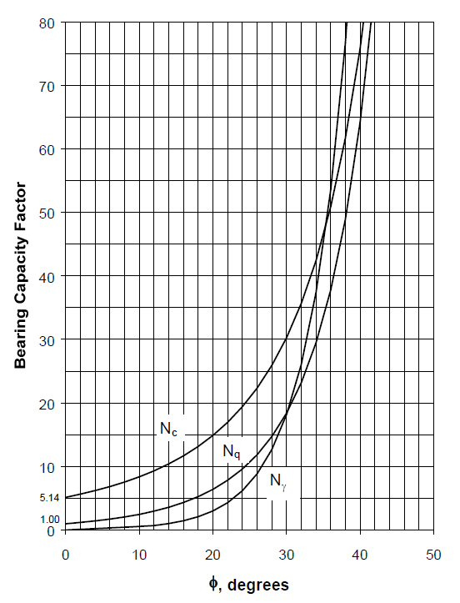
Vertical Forces
 | Pipe outside diameter | OD | 12.5 | inches |  | Bearing Capacity Factor of Soil
 | Depth of cover | DOC | 6.56167979 | ft
 | Depth to pipe centerline | H | 7.08
 | Effective unit weight of soil | γ | 135 | lb/ft3
 | Total unit weight of soil | γ | 135
 | Soil cohesion | c | 104.5 | psf
 | Internal friction angle for soil | φ | 27 | degrees

 | Vertical bearing capacity factor | Nc | 23.94
 | Vertical bearing capacity factor | Nq | 13.20
 | Vertical bearing capacity factor | Nγ | 10.59

 | Vertical Bearing Soil Force | Qd | 16528.2 | lbs/ft
 |  |  | 16.53 | kips/ft

 | Vertical bearing capacity factor | Ncv | 0.094 | <10 ok
 | Vertical bearing capacity factor | Nqv | 4.1722440945 | <Nq ok

 | Vertical Uplift Soil Force | Qu | 4165.74 | lbs/ft
 |  |  | 4.17 | kips/ft

Longitudinal PGD Stress
 | Pipe outside diameter | OD | 12.5 | inches |  | Pipeline crossing permanent ground deformation zone in the direction of ground movement. |  |  |  |  |  | Pipe Grade | Yield stress (psi) | n | r
 | Wall thickness of pipe | t | 0.37519685039 | inches |  |  |  |  |  |  |  | Grade B | 35000 | 10 | 100
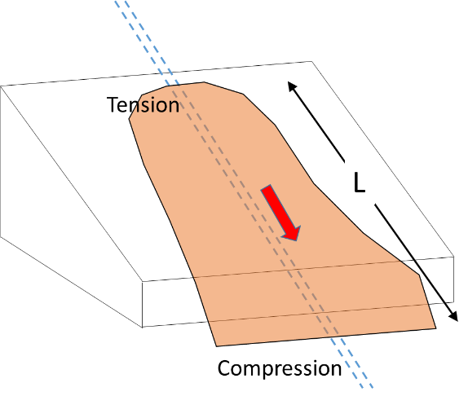
 | Pipe Grade / SMYS | X-52 | 52000 |  | 5% |  |  |  |  |  |  | X-42 | 42000 | 15 | 32
 | Modulus of elasticity | E | 29,000,000 | psi |  |  |  |  |  |  |  | X-52 | 52000 | 9 | 10
 | Length of PGD zone/Length of pipe in slide | L | 403.36898685 | ft |  |  |  |  |  |  |  | X-60 | 60000 | 10 | 12
 | Axial soil force | Tu | 1307.62 | lbs/ft |  |  |  |  |  |  |  | X-70 | 70000 | 5.5 | 16.6

 | Elastic strain | εel | 0.062% |  |  |  |  |  |  |  |  |  |  | 9 | 10
 | Plastic strain | εpl | 0.000%
 | Total strain | ε tot | 0.062%

 | Bending Stress on pipe | σaxial | 17,899.3 | psi | PASS

 | Design Factor |  | 0.54
 | Pipe Internal Diameter | ID | 11.749606299 | in.
 | Maximum Operating Pressure | MOP | 573 | psi
 | Allowable Stress |  | 28080 | psi
 | Internal pressure stress |  | 4772.49 | psi
 | Remaining Stress Available |  | 23307.51 | psi

 | Allowable length of Longitudinal PGD |  | 525.25 | ft

Transverse PGD Stress
 | Pipe outside diameter | OD | 12.50 | inches |  | Pipeline crossing permanent ground deformation zone transverse to the direction of ground movement.
 | Wall thickness of pipe | t | 0.37519685039 | inches
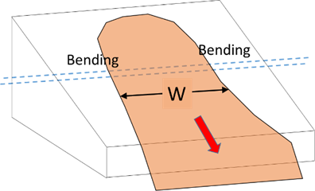
 | Pipe Grade | X-52 | 52000
 | Modulus of elasticity | E | 29,000,000 | psi
 | Width of PGD zone/Length of pipe in slide | L | 403.36898685 | ft
 | Lateral soil force | Pu | 4269.60 | lbs/ft

 | Elastic strain | εel | 52.027%

 | Bending stress on pipe | σaxial | 15,087,718.2 | psi | FAIL

 | Design Factor |  | 0.54
 | Pipe Internal Diameter | ID | 11.749606299 | in.
 | Maximum Operating Pressure | MOP | 711 | psi
 | Allowable Stress |  | 28080 | psi
 | Internal pressure stress |  | 5921.89 | psi
 | Remaining Stress Available |  | 22158.11 | psi

 | Allowable length of Longitudinal PGD |  | 15.46 | ft

